Introduction
Use of the ADD calculation spreadsheet “ADD sound zones v2.4”
Separate calculations should be done for each cage group. Detailed instructions are given in the "Cage group calculation" sheet. A table of the calculated results is provided in the “Output summary” sheet. This can be printed or copied and saved. New ADD devices can be added to the spreadsheet and new cage group location details can be defined in the “Source data” sheet. Most cells in the spreadsheet are locked to prevent accidental modification.
Area of potential disturbance: Since disturbance relates to the audibility of ADDs, the spreadsheet takes the loudest device on the site and determines the 120dB threshold radius of that device. Some manufacturers are considering allowing their units to be synchronised in which case the total of all the synchronised devices is used.
The disturbance threshold radius is likely to be several kilometres and so may overlap with those of other cage groups. In this case the threshold radii centred on the centre of each cage group should be drawn on a map and the total area within the envelope calculated. Areas of land and should be removed from the total area. Sound shadows caused by the coast or islands (but not small rocky outcrops) can be removed from the area. Areas affected by two cage groups do not need to be double counted. The resulting total area should be used to calculate the number of mammals affected.
By coordinating applications with neighboring cage group owners as recomended by Marine Scotland, any overlapping areas of disturbance can be removed. This will reduce the overall calculated impact of ADDs on animals in the zone. I am told that decisions on the acceptability of disturbance will be made on a zonal basis.
Area of potential PTS injury: For this calculation the spreadsheet adds together the sound energy of all the devices on a cage group and ascribes it to a point at the centre of the cage group. A single PTS threshold radius is calculated for the cage group. Any areas of land or shadow zones within this area can be discounted but if there are areas of overlap with other cage groups, these areas should not be discounted.
In this spread sheet the devices are combined rather than calculated individually. This is most appropriate approach where the threshold radii are similar to, or larger than, the separation are the devices. Where threshold radii are smaller than the device separations, then consideration of the devices as seperate units could be justified. This results in a slightly smaller area of effect however it is significantly more work, the difference in total area is likely to be only a few percent and where these areas are small, the importance of the result is relatively low.
The area of potential injury calculation assumes a worst case senario with the devices being used for 24 hours per day. If potential PTS injury is a significant problem for a cage group and 24 hour operation is never used then this can be modified for you.
Submissions:
EPS applictions should probably be acompanied by a copy of this spread sheet in order to meet the requirement that methodology is clearly identified.
Comparison with use of the Maine Scotland tables: Marine Scotland have seen and confirmed the calculations of this spread sheet. However Marine Scotland also provide a table of threshold radii for single notional ADD devices which you are permitted to use. The areas of potential PTS injury resulting from data in the current version of this document (December 2020 version 4) differ from the spread sheet calculations for reasons that are unclear. I am not aware of any device that resembles ADD1 (195dB), but if you have such a unit then use of the Marine Scotland figures would be advantagious for the PTS calculation. The table below shows the PTS threshold areas calculated from the Marine Scotland table as a percentage of those areas calculated by this spreadsheet.

Cage group calculation
Calculation Instructions |  |  | ADD sound zones V2.4 |  |  |  |  | Marine Scotland zones
only cells in green can be altered |  | cells in red contain key model outputs
Alternative ADD data in the yellow cells is generated by adding new ADD data in sheet "Source data"
This alternative ADD data can be used in the yellow cells or copied into available green cells using paste special - values
1. Enter the site name and location using the Marine Scotland zone codes G - T.
2. Check that all the required ADD devices are shown column A, lines 25-36.
(Characteristics of all commercial devices should be verified against test information)
3. Use "Source data" sheet to create data for alternative devices. This appears in the yellow cells
4. If more than one additional device is needed then copy the values from the yellow cells into green cells using paste special - values
5. Enter the numbers of each type of ADD device on a farm site in column B
6. If multple ADDs are fired simultaniously set simultaneous to YES otherwise NO
(example: if there are 6 RT1 units on site of which 2 fire simultaneously create two RT1 lines one with 4 units and one with 2 simultaneous units)
7. Using a site map determine the area of land within the threshold radius and enter the value in the green cells
8. The output of this sheet is sumarised in sheet "Output summary"
9. Where applications are made for multiple adjacent cage groups, plot the disturbance threshold circles on a map and report the total
sea area enclosed within the envelope. Neglect significant sound shadow zones caused by the coast shape but not by small rock outcrops
10. Do not combine or discount PTS (injury) zones for different sites even if they seem to overlap

potential disturbance and injury calculation

farm name and cage group | cage group 1 |  |  |  |  |  |  | Calculation of combined farm site disturbance area
farm location | j | Hebrides west coast

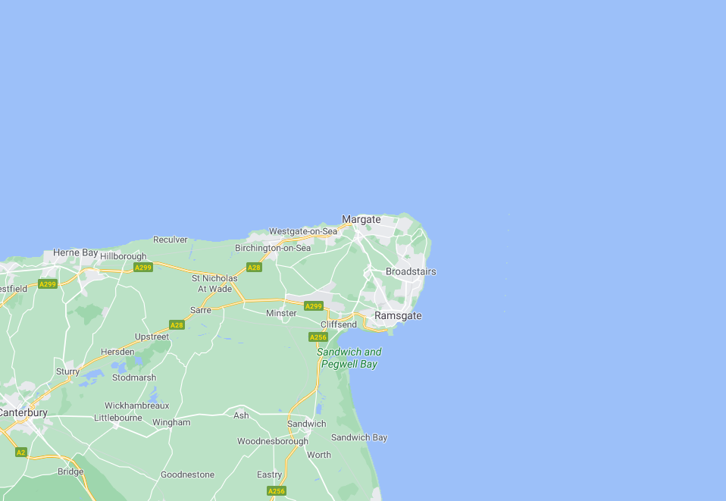
 |  |  | Single ADD level (disturbance) & weighted SEL (PTS injury) |  |  |  | MMPA | simultanious | asyncronious | linear | linear | linear
ADD devices in use | number | simultaneous | Disturbance | PTS: LF | PTS: HF | PTS: VHF | compliant? | SPL | SPL | LF | HF | VHF
ADD1 | 0 | NO | 195.0 | 233.3 | 218.3 | 212.6 | NO | 1 | 0 | 0 | 0 | 0
ADD2 and Mohn Aqua | 0 | NO | 198.0 | 242.4 | 241.4 | 238.6 | NO | 1 | 0 | 0 | 0 | 0
ADD3 and Gaelforce | 0 | NO | 198.0 | 245.4 | 244.4 | 241.6 | NO | 1 | 0 | 0 | 0 | 0
OTAQ and ADD4 | 0 | NO | 189.0 | 231.4 | 230.5 | 227.7 | NO | 1 | 0 | 0 | 0 | 0
OTAQ patrol and ADD5 | 0 | NO | 165.0 | 201.9 | 201.0 | 198.2 | YES | 1 | 0 | 0 | 0 | 0
Genuswave Salmonsafe | 0 | NO | 180.0 | 215.3 | 187.6 | 179.5 | YES | 1 | 0 | 0 | 0 | 0
Ace Aquatec RT1 flex (S1) | 1 | NO | 176.0 | 215.7 | 186.7 | 178.3 | YES | 1 | 176 | 3.7184859414E+21 | 4.6496862425E+18 | 6.7402978531E+17
Ace Aquatec RT1 ring (S2) | 0 | NO | 180.0 | 219.8 | 196.2 | 188.6 | YES | 1 | 0 | 0 | 0 | 0
Ace Aquatec US3 | 0 | NO | 181.0 | 218.7 | 216.8 | 213.7 | YES | 1 | 0 | 0 | 0 | 0
XXX | 0 | NO | 0.0 | 0.0 | 0.0 | 0.0 |  | 1 | 0 | 0 | 0 | 0
YYY | 0 | NO | 0.0 | 0.0 | 0.0 | 0.0 |  | 1 | 0 | 0 | 0 | 0
ZZZ | 0 | NO | 0.0 | 0.0 | 0.0 | 0.0 |  | 1 | 0 | 0 | 0 | 0
Ace Aquatec US3 | 0 | NO | 181.0 | 215.6 | 214.1 | 211.2 | YES | 1 | 0 | 0 | 0 | 0
total SPL or weighted SEL (dB) |  |  | 176 | 216 | 187 | 178 |  | 11.139433523 | 176
threshold radius (m) |  |  | 1148 | 8 | 0 | 2
area of which is land or sound shadow (sq km) |  |  | 0.0 | 0.0 | 0.0 | 0.0
affected area (sq km) |  |  | 4.14 | 0.00 | 0.00 | 0.00
percentage of zone area |  |  | 0.01% | 0.000% | 0.000% | 0.000%

mammals potentially affected | Disturbance | PTS injury
Minke whale (LF) | 0.1 | 0.00000
Harbour porpoise (VHF) | 0.2 | 0.00000 |  |  |  |  | for further information on this spread sheet contact
Bottlenose dolphin (HF) | 0.0 | 0.00000 |  |  |  |  | Dr J A Lines
Risso Dolphin (HF) | 0.8 | 0.00000 |  |  |  |  | Silsoe Livestock Systems Ltd
Common Dolphin (HF) | 0.6 | 0.00000 |  |  |  |  | Wrest Park, Silsoe, Bedford
White-sided Dolphin (HF) | 0.0 | 0.00000 |  |  |  |  | Jeff.Lines@SilsoeResearch.org.uk
White-beaked Dolphin (HF) | 0.2 | 0.00000
TOTALs | 1.9 | 0.00000 |  |  |  |  | this file is secured with EPScalc

