Cover Sheet
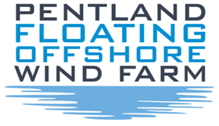

 |  |  | Ornithology - PVA and CRM Spreadsheets

Document Title: |  | Ornithology - PVA and CRM Spreadsheets
Document no. |  | GBPNTD-ENV-PEN-CM-00007
Project: |  | Pentland Floating Offshore Windfarm
Originator Company |  | HiDef
Revision |  | 1
Author |  | HiDef
Date |  | 15.12.2022

Revision History:
Revision | Date | Status |  | Author | Reviewed | Approved
1 | 15.12.22 | Final |  | HiDef | Xodus | HWL

