Site Hazard Log and Map
 |  | Site Hazard Log and Map

Name | KEVIN DOCHERTY SNR |  |  |  | Date | 2025-07-14

Workplace/Location/Access |  |  | Craigendoran Train Station RRAP - NEM7 - 23m 588yds - W3W - cafe.stores.litigate

Remit / Job Description |  | 25/26 Other Undertake concrete repairs to areas of cracking and spalling at 22m 1210Y to 23m0030y and upper section of wall at 22m1300y,1334y and 1363y. (OPEX, Policy target X)
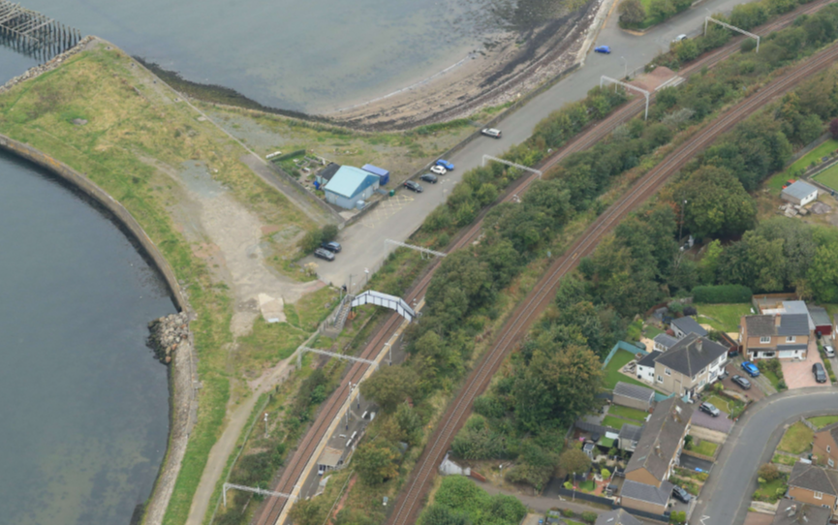
Add photos |  |  |  |  |  |  |  |  | Present on-site | ý þ

1

View of authorised access point at Craigendoran Train Station RRAP - NEM7 - 23m 588yds

Works are scoped on getting 3hr minimum working time Sunday to Thursday. Workforce will meet and access from Craigendoran Train Station RRAP - NEM7 - 23m 588yds - W3W - cafe.stores.litigate - This is a highly sensitive location and all effort must be given to minimising the efforts of our activities with regards to the neighbouring properties which closely adjoin this location. Please give thought to the local residents. This access/egress survey has been taken on the 14/07/25 and must be used to check against any additional hazards that are to be recorded on a new NWR Hazard Map. POWRA to be used prior to any works being undertaking.

Key | Hazard |  |  | Control |  |  | Date | Mileage | CC Number | Hazard Removed/Made Safe

1 | Working at night |  |  | Personnal lighting and site lights will be used |  |  | 2025-07-14 | 22m 1210yds | MSE0048 | YES
2 | Working at height |  |  | Trained rope IRATA operatives. Certs to be in date. Permits in place. |  |  | 2025-07-14 | 22m 1210yds | MSE0048 | YES
3 | Slips trips and falls |  |  | care to be taken when walking on site, Remove any hazards or highlight |  |  | 2025-07-14 | 22m 1210yds | MSE0048 | YES
4 | Small plant and tools |  |  | Trained & competent operators, pre works certification checks, |  |  | 2025-07-14 | 22m 1210yds | MSE0048 | YES
5 | Railway neighbours |  |  | Noise kept to a minimum |  |  | 2025-07-14 | 22m 1210yds | MSE0048 | YES
6 | manual handling |  |  | Check access route, Assess the load before lifting, Seek help for awkward shaped items. |  |  | 2025-07-14 | 22m 1210yds | MSE0048 | YES
7 | People and Plant Interface |  |  | All plant certified, All personnel on site to be briefed, Exclusion zone to be in place during works |  |  | 2025-07-14 | 22m 1210yds | MSE0048 | YES
8 | Havs |  |  | Amco supervisor to record trigger times for tool, Take regular breaks. Do not exceed the tool limits. Inspect plant and equipment before use. |  |  | 2025-07-14 | 22m 1210yds | MSE0048 | YES
9 | Underfoot conditions |  |  | Care to be taken on site, Clear all waste and debris from site on regular basis.Remove any hazards or highlight. |  |  | 2025-07-14 | 22m 1210yds | MSE0048 | YES
10 | Dust |  |  | Note: Whilst drilling and mixing its likely to disturb silica dust particles all personnel involved in the task must be equipped with an FFP3 face mask with relevant face fit certification gloves and appropriate eye protection for the task |  |  | 2025-07-14 | 22m 1210yds | MSE0048 | YES

Additional Photos
ADDITIONAL SITE PHOTOS

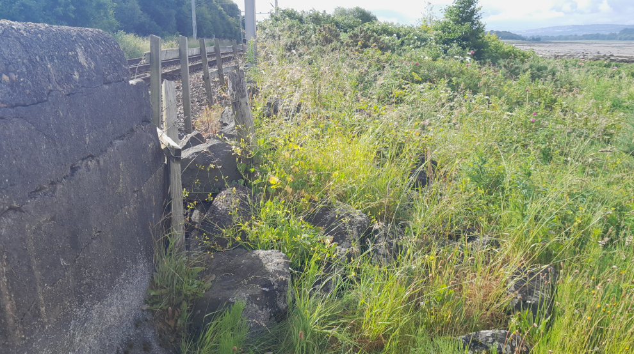
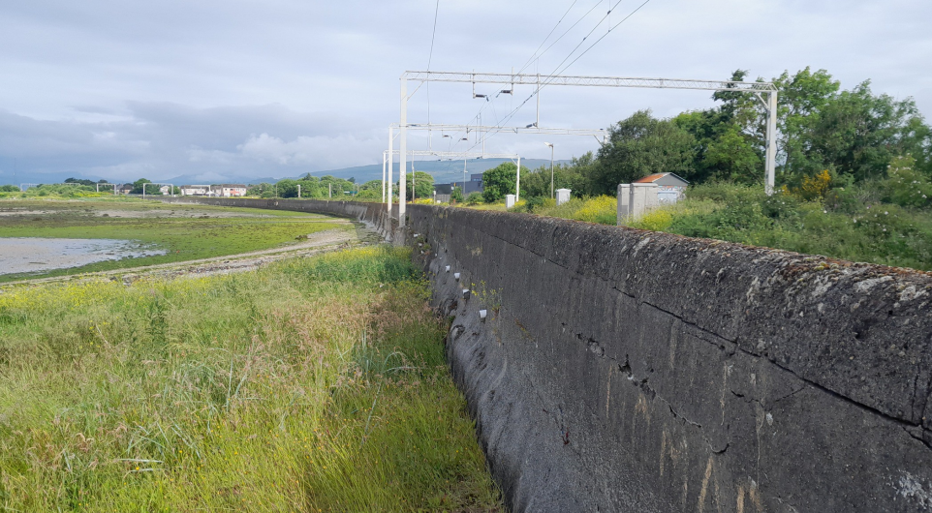

 | Key 1 - Section 22m 1210yds | Key 2 -Looking from the LM to the HM from 22m 1210yds

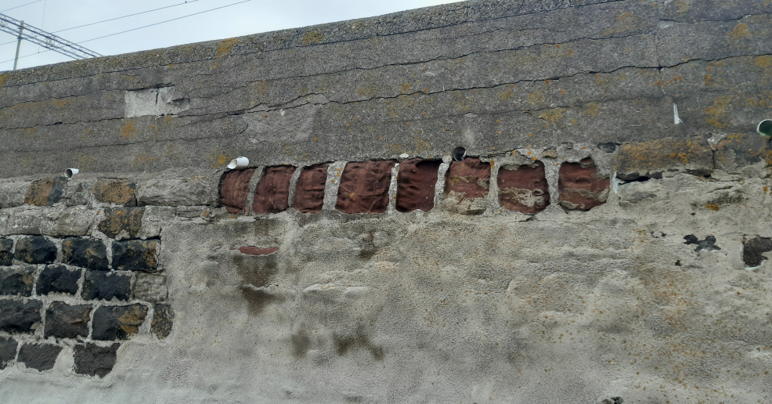
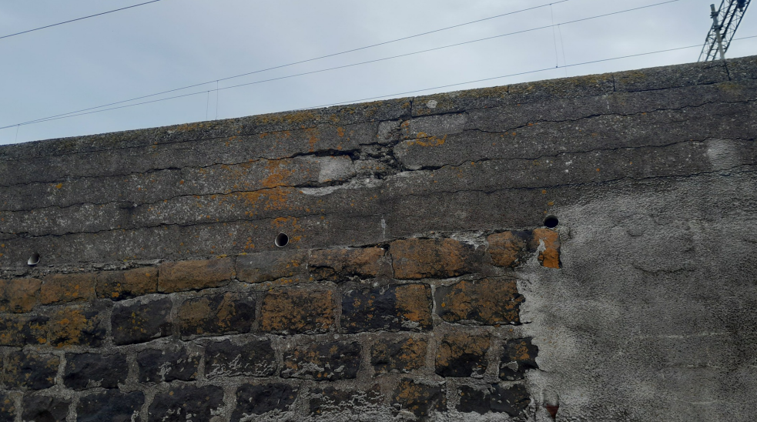

 | Key 2 - 22m 1300yds | Key - 22m 1334yds to 22m 1344yds

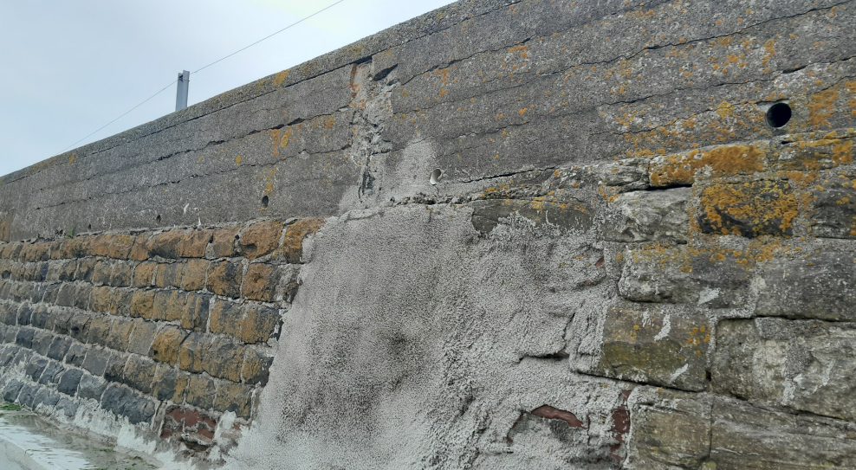
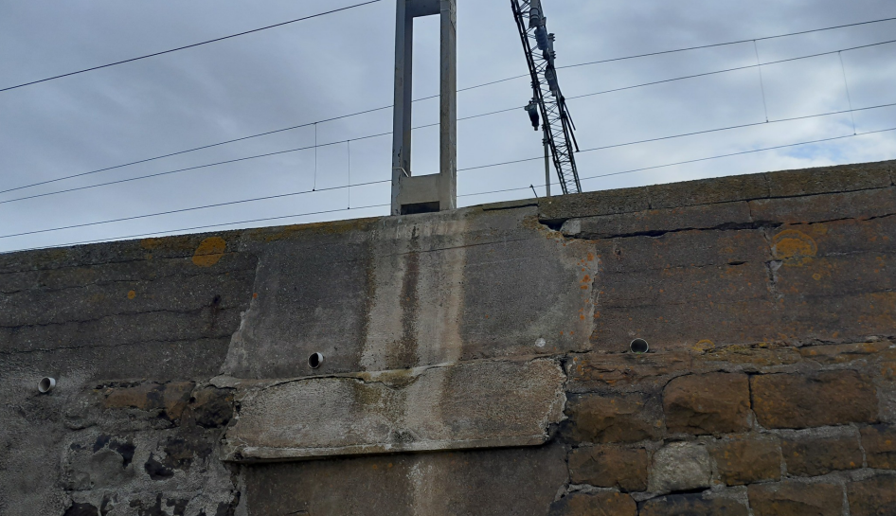

 | Key 4 - 22m 1363yds | Key 5 - 22m 1335yds

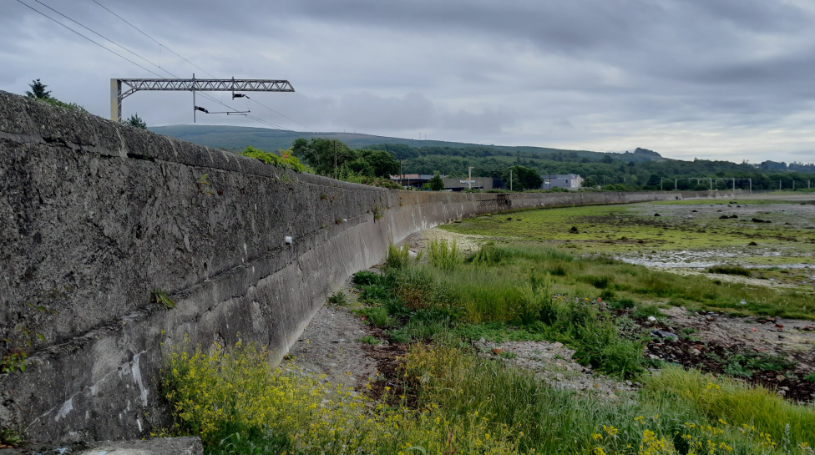

 | Key 6 - View from 23m 0030yds | Key 7 -

Methodology
19 | WORKS METHODOLOGY |  |  | MW Days | MW Nts | WE Days | WE Nts
 | Once Earned Hours have |  | Total Number of Shifts |  | 5
 | been used to Programme Works: |  | AMCO Operatives |  | 3.5
1 |  | Works are scoped on getting 3hr minimum working time Sunday to Thursday. Workforce will meet and access from Craigendoran Train Station RRAP - NEM7 - 23m 588yds - W3W - cafe.stores.litigate - This is a highly sensitive location and all effort must be given to minimising the efforts of our activities with regards to the neighbouring properties which closely adjoin this location. Please give thought to the local residents.
2 |  | ES to set up worksite and sign in amco coss. Amco supervisor to brief all staff on tasks and fill in all paperwork and permits. Supervisor to ensure sufficient site lighting is erected throughout the works area to undertake the works safely. There will be no isolation of OHLE works must be carried out no higher than shoulder height ensuring at all times that no plant or materials encroach into the minimum safe distance from LIVE OHLE of 2.75m or 9ft.
3 |  | Hand trolley controller will then undertake the pre working checks of the hand trolley, supervise loading and perform a brake test before signing off as fit for use. The workforce will then load all plant and material onto rail trolley and make way to work location - 200/556 - NEM7 - 22m 1210yds - approx 900yds.
4 |  | NOTE: Works will be carried out on Sea Defence wall all rope access operatives will be waring harness with extra safety rescue rope attached and life vests Incas tide is in during works.
5 |  | Trained L3 rope access operative will set up and maintain a safe working rope system throughout the works at targeted locations on the sea defence wall. Level 3 will then ascertain a suitable works rescue method for the system in place and ensure conditions are appropriate for the works before briefing all IRATA trained personnel on the specialist RAMS for the site.
6 |  | Rope access operative will then descend over the sea defence wall and mark up areas where works are to be carried out. Once marked up rope access operatives will then attach visqueen wrapped around sarking board to the area at the bottom where works are to be carried out, visqueen will then be attached to the bottom of the safe working rope system to catch any falling debris caused by the works.
7 |  | Mixing area to be established underlain with terram/visqueen to ensure no spillages onto the surrounding area.
8 |  | Undertake concrete repairs to areas of cracking and spalling at 22m 1210Y to 23m0030y and upper section of wall at 22m1300y,1334y and 1363y.
9 |  | Utilising breakers, grinders and various hand tools the workforce will then begin removing all defective loose material found whilst carrying out the tactile survey works. Note: The workforce are to ensure that a square edge finish is achieved upon completion of concrete removal.
10 |  | The workforce will then brush feb 45 primer onto the repair section and then coat out all earlier removed areas utilising feb 45 concrete repair until the level with that of the existing level of the structure. Note: If required the workforce will apply the monolight in increments utilising a scratch coating method.
11 |  | Note: Whilst drilling and mixing its likely to disturb silica dust particles all personnel involved in the task must be equipped with an FFP3 face mask with relevant face fit certification gloves and appropriate eye protection for the task
12 |  | All waste material will be bagged and removed from site for disposal back at amco yard. The supervisor must ensure that pictures are taken throughout and on completion of works.
13 |  | Amco Supervisor will carry out a check of the work site to ensure no materials & equipment has been left within the road surface and surrounding area. Working area to be left clean & tidy.
14
15
16

20 | SKETCH OF WORKS
 | DO NOT FORGET PHOTOS: ACCESS POINTS, WORKS AREA IN GENERAL, AREA IN DETAIL (AS MINIMUM)
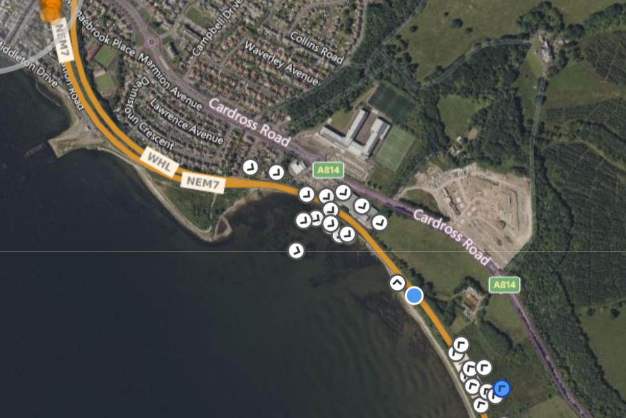

Location of works at the LM end
Location of authorised access point at Craigendoran station at the HM end

